guidelines
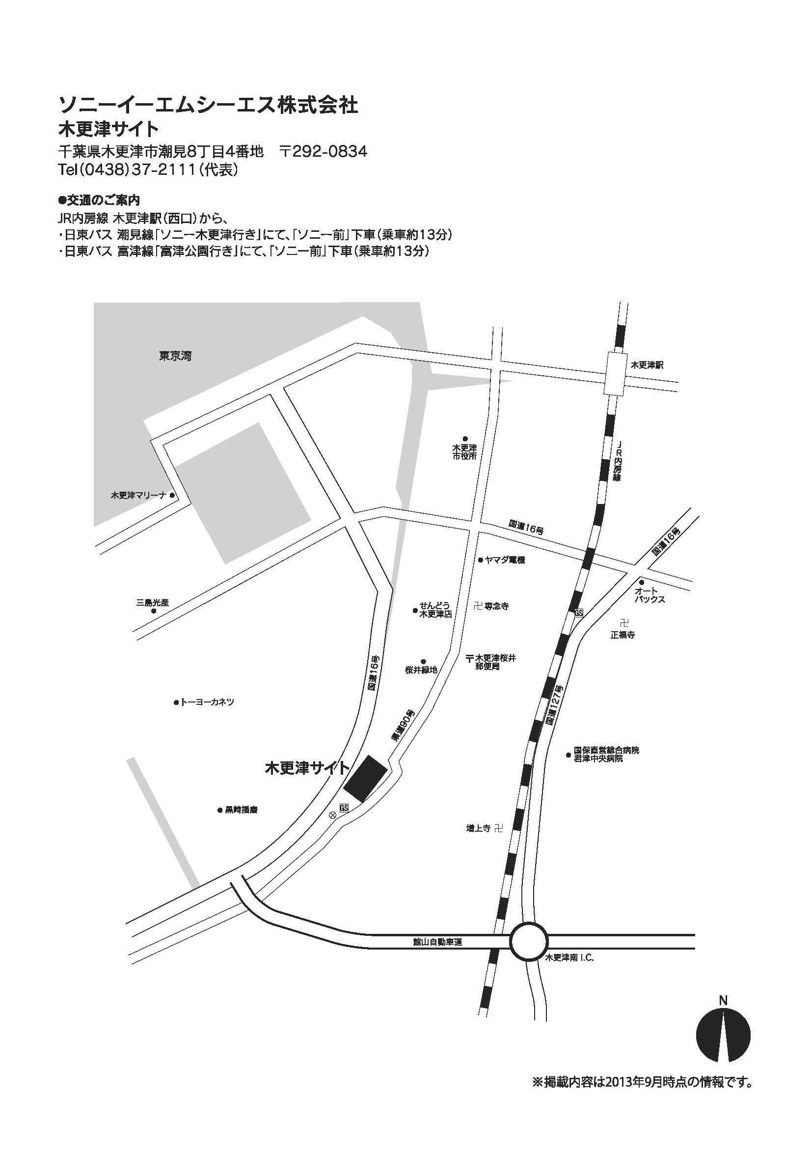
Pre-test guidelines

●Business hours
Monday to Friday 9:00 to 17:00 (Except year-end and New Year's holiday, public holidays and our designated dates)

●Test Fee
It depends on the items you choose.
Refer to the menu sheets on the application.

●Cancellation fee
Cancellation fee is not charged before payment.
We will not give you any refund after payment.

●Method of payment
We will send you the bill after the application is accepted.
Please pay to our designated bank account by the due date.
If you want to add measurement items after your payment, please pay the additional fee to our designated bank account after you receive a separate bill
*Please kindly bear the cost for any bank transfer fee.

●Waiting room
We can offer a waiting room for you if you want.
Please indicate on the application form if you want to use the room.
Power supply is available for usage, but Ethernet is not.
You may use the cafeteria in the building. Please note that only Edy, one of the e-Money services in Japan, is available for payment at the cafeteria.

●How to Apply
Please make a reservation to Pre-test. It is possible to reserve up to 3 months ahead including this month.
Please fill out the application form and email it to us at least 4 weeks prior to your desired test starting date.
We will get back to you by email in order to adjust the schedule after we receive your application.

e-mail : sgmo-felica-kentei@sony.com

If you have any questions or requests regarding Pre-test, feel free to email us.

●How to deliver your samples
【In the case of hand-carrying your samples】
1. Please check in at the reception desk.
2. Our staff will pick you up and guide you to the waiting room.
3. We will share the test results per each test item.
4. After we have shared the results for all the test items which you applied for, the Pre-test is complete.

【In the case of shipping your samples】
1. Please ship your samples by the due date.
2. After all the test items are completed, we will send you the test report by mail, and ship back your samples.
*Please kindly bear the shipping and handling charges.

[Address]
Sony Global Manufacturing & Operations Corporation Certification Test Team Quality Assurance Department 1
8-4 Shiomi Kisarazu-shi Chiba Prefecture, Japan

●Access
From Kisarazu Station of JR Uchibo-line
Kisarazu Site of Sony Global Manufacturing & Operations Corporation:
10 minutes by taxi

